Construction of New City Hall
FDPP Form 2 - Statement of Indebtedness, Payments and Balances
(DOF-BLGF Memorandum Circular No. 005-2018 dated January 22, 2018, Annex E)

Statement of Indebtedness, Payments and Balances (SIPB)

REGION: | REGION VII - CENTRAL VISAYAS | CALENDAR YEAR: | 2023
PROVINCE: | CEBU | QUARTER: | 4
CITY/MUNICIPALITY: | CITY OF BOGO

Instruction: Please prepare a Statement for each kind of loan.
ITEM NO. | PARTICULARS |  |  | DETAILS
1 | LGU Income Classification |  |  | 6th Class
2 | Date of Report |  |  | 2023-12-31
3 | Lending Institution (Bank or Creditor) |  |  | DBP
4 | Certificate Number - NDSC/BC
5 | Date of Certification - NDSC/BC
6 | Monetary Board (MB) Resolution Number
7 | Date of MB Opinion
8 | Date of Approval Loan
9 | Amount Approved* |  |  | 99,450,674.64
10 | Maturity Date |  |  | 2024-03-22
11 | Type of Indebtedness Instrument (Loan, Bond or other form of indebtedness) |  |  | Promissory Note
12 | Purpose of Indebtedness |  |  | Construction of New City Hall
13 | Terms and Conditions: Fixed or Variable
14 | Terms and Conditions: No. of Years of Indebtedness |  |  | 11 Years
15 | Terms and Conditions: Interest Rate |  |  | 8.00%
16 | Terms and Conditions: Grace Period (Number of Months or Years) |  |  | 2 months
17 | Frequency of Payment |  |  | Monthly
18 | Annual Amortization: Principal |  |  | 2,260,242.60
19 | Annual Amortization: Interest |  |  | 87,846.86
20 | Annual Amortization: Gross Receipt Tax (GRT) |  |  | 4,392.35
21 | Starting Date of Payment |  |  | 2023-01-22
22 | Cumulative Payment from Starting Date: Principal |  |  | 97,190,431.80
23 | Cumulative Payment from Starting Date: Interest |  |  | 40,337,597.93
24 | Cumulative Payment from Starting Date: GRT |  |  | 681,588.82
25 | Total Amount Released (Availment as of date) |  |  | 99,450,674.64
26 | Remaining Balance to Date / Undrawn Amount (Line 9-25=26) |  |  | -
27 | Outstanding Loan Balance After Principal Payment (Line 9-22=27) |  |  | 2,260,242.84 | ok
28 | Arrears: Principal (if any)
29 | Arrears: Interest (if any)
30 | Collateral Security
31 | Deposit to Bond Sinking Fund for the Year
32 | Sinking Fund Balance to Date, if any
33 | Breakdown of Fees and Other Related Costs (of loan)
34 | Other Relevant Terms and Conditions (of loan) |  |  | Staggered Basis
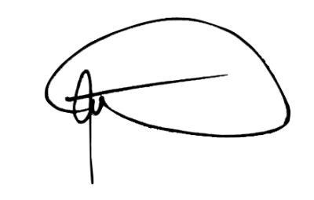
Certified Correct by: |  |  | Date Issued:

JULIO S. URSONAL, JR., CPA |  |  | January 24, 2024
Local Treasurer

Note:
*Please indicate if on a staggered basis.

